Print Page 1
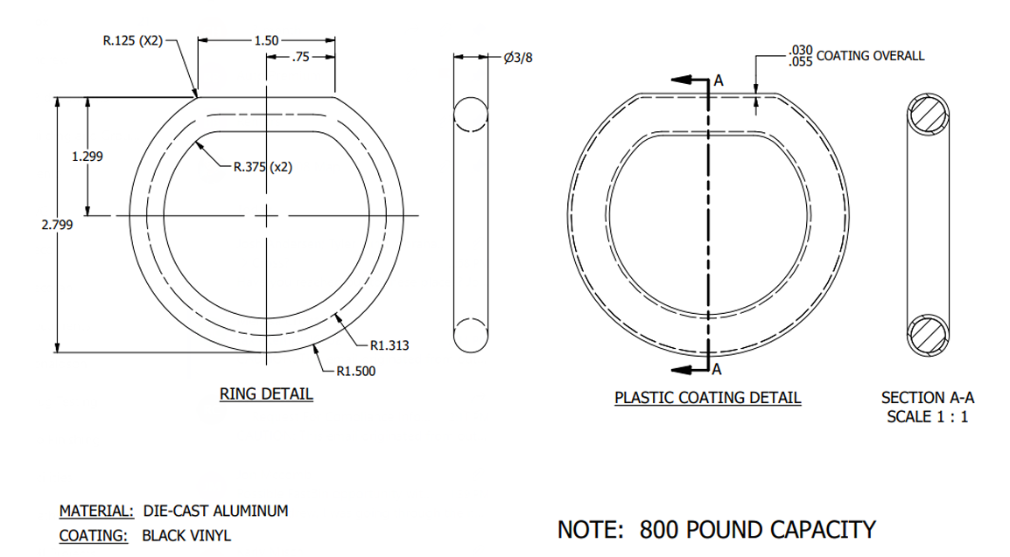
5
6
1
8

4

7

2

3

